Table 2
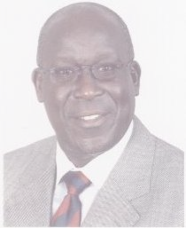

BOARD MEMBERS OF THE INSURANCE REGULATORY (IRA)
Mr Steve Omenge | MR. STEVE OMENGE J. MAINDA (CHAIRMAN)
SAMMY M. MAKOVE CEO/COMMISSIONER OF INSURANCE | S. M. Makove
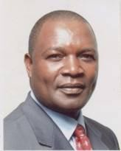 Njuguna Ndungu |  PROF. NJUGUNA NDUNGU DIRECTOR Barrack Amollo
 Stella Kilonzo | STELLA KILONZO DIRECTOR

Table 3
EDWARD ODUNDO DIRECTOR |  Edward Odundo
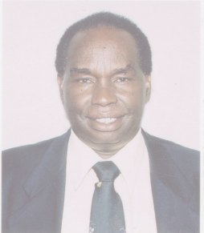 Joseph Murage | JOSEPH MUNENE MURAGE DIRECTOR
CHEMUTAI W. MURGOR DIRECTOR |  Chemutai Murgor
 Grace Ngigi | GRACE A. NGIGI DIRECTOR
MOSES BUYUKA OBONYO DIRECTOR |  Moses Obonyo

Table 4

 Abdulaziz Mohamed | ABDULAZIZ H. MOHAMED DIRECTOR
Chairman‟s Statement
The Insurance Regulatory Authority (IRA) is an autonomous Government agency established to oversee Kenya’s insurance industry for the benefit of the Kenyan public. Since its creation in May 2007, the Authority has set forth to resolving the myriad of challenges facing the insurance industry in line with its core mandate of regulating, supervising and developing the industry. One major challenge facing the insurance industry in Kenya is the low insurance penetration coupled with the negative perception towards insurance products and services by members of the public. The situation was further made worse by the onset of the world financial crisis that started in 2007. The effects of the financial crisis resulted in serious disruptions of the financial service sector, particularly on investments in which the insurance sector is a major player. The industry incurred major losses from its investments in the stock market as stock prices came down tumbling thereby significantly impacting on their solvency margins. Other challenges facing the industry include fraud, the poor performance of motor insurance business, management of motor P.S.V insurance and the management of claims and complaints from members of the public.
Protection of policyholder interests is one of the core objectives of IRA. Policyholder protection can only be achieved within a stable economic environment. In order to realize this stability, IRA had proposed various amendments to the Insurance Act most of which were enacted and are due to become operational by the start of 2011. One such amendment is about the appointment of public prosecutors for the purpose of handling cases arising under the Insurance Act. IRA is also developing a new regulatory framework that is deemed to lay more emphasis on risks carried by an insurance company rather than the current rule based framework which is a one-fits-all requirements. The Risk Based Regulatory framework shall base capital requirements on the amount of risks carried by a particular insurance company and is bound to guarantee increased stability in the sector.
In order to create awareness about insurance as well as increasing insurance penetration, IRA has held several Insurance Open Days and Agents Forum in various parts of the country including Kisumu, Nyeri, Mombasa and Nakuru as well as attending practically all agricultural shows across the country. These visits are aimed at meeting members of the public, listen to their concerns and address their issues where possible. We also educate members of the public on the need to buy insurance and inform them of our role in protecting their interests should they be infringed.
The International Association of Insurance Supervisors (IAIS) is an association for insurance supervisors all over the world. IAIS has developed Insurance Core Principles or ICP’s and guidance papers that are aimed at ensuring high levels of oversight by various regulators. IRA is a member of IAIS and is committed to the adoption and implementation of these core principles with a view to improving insurance regulation in Kenya.
IRA has signed a memorandum of understanding with local financial regulators and other regulators from the East African Common Market with a view to sharing information. This is aimed at enhancing regulation since access to and management of relevant information is one of the key means to safeguard against financial crises.
In conclusion, and on behalf of the IRA Board of Directors, I would like to thank the Ministry of Finance, the IRA staff, the Insurance Industry together with the various industry stakeholders for their continued support in facilitating IRA to achieve their objectives in line with Vision 2030.
STEVE O. MAINDA CHAIRMAN- BOARD OF DIRECTORS
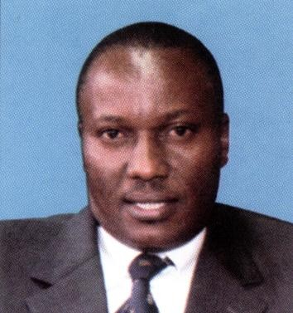
Chief Executive‟s Report
During the year 2009, the global economy experienced its deepest recession since the 1930s as world Gross Domestic Product shrank by 1.9%. The industrialized countries were severely affected across the board, with very few of them realizing any economic growth over the whole year (Swiss Re Sigma 2010). The emerging markets were affected differently as their GDP growth rate only slowed down thus weathering the global financial crisis better than their industrialized counterparts. Almost all currencies weakened against the US Dollar in 2009 leading to shrinking of global premium volume by 3.7% to USD 4,066bn.
During 2009 Life insurance business accounted for 57.3% of total premium (2008:57.8%) compared to 42.7% for Non Life insurance business. Premium growth in the emerging market slowed down but remained positive. The industry’s profitability and net worth have since recovered significantly, though this has not yet reached pre-crisis levels. In most countries, insurance premiums grew faster than Gross Domestic Product in 2009 (Swiss Re Sigma 2010), which shows how robust the insurance industry was. For 2010, overall the premium growth is expected to turn positive. Profitability will in all likelihood continue to improve.
Industry Performance
The National Gross Domestic Product during 2009 was Kshs.2.27 trillion. During 2009, the insurance industry wrote Gross Direct Premiums amounting to Kshs.23 billion under long term insurance business and Kshs.42 billion under short term insurance business. In total the Gross Direct Premium in 2009 was Kshs.65 billion in absolute terms representing an increase of 15.3% from 2008. The percentage growth in Gross Direct Premium in 2009 after adjustment for inflation (9.2) was 6.1%. Outward reinsurance premiums ceded by the industry amounted to Kshs.1.3 billion under long term insurance and Kshs.10 billion under short term insurance business. Net Premium during 2009 amounted to Kshs.13.7 billion under long term insurance business Kshs.32.8 billion under short term insurance business. Insurance business retention stood at 94% under long term and 75% under short term business. Claims ratio stood at 63.7%, Commissions ratio at 14% with Management expense ratio standing at 21% of the Net Earned Premium leaving only 2% for underwriting profit under short term business. Investment income and other comprehensive income returned a net profit after tax of Kshs.3.42 billion for 2009.
At the end of 2009, the number of lives covered under ordinary life insurance was slightly above 400,000 which translate to less than 1% of the population of approximately 38 million. Slightly over 2.3 million Kenyans were covered under superannuation schemes.
The asset base of the insurance industry as at 31st December 2009 was Kshs.176 billion representing a growth of 14% from 2008. Out of the forty six insurance companies registered to transact insurance business in Kenya, thirty nine met the solvency requirements with seven failing to meet the requirements. The solvency margins for individual insurance companies are contained in Part 8 of this report.
In order to enhance stability of the insurance industry IRA implemented the Insurance Act. Amendments that require long term insurance companies to increase paid up capital to Kshs.150 million while short term underwriters are required to increase paid up capital to Kshs.300 million. IRA appointed independent audit firms to carry out independent audits of capitalization of all insurance companies.
Over the years, the insurance industry has been incurring underwriting losses under motor classes of insurance business. During 2009, Motor Private Insurance incurred underwriting loss of over Kshs.1.3 billion. This loss trend prompted IRA to revise motor rates and motor underwriting guidelines in order to stem the perennial losses and bring stability to the industry in general. The move saw premium rates under motor private revised upwards from the previous 4% of the value of the car to 7.5% discounting by 10% for each year of no claim. IRA expects these revised rates to streamline the performance of the entire insurance sector.
The insurance industry is keenly observing the emergence of new products such as Bancassurance, Agricultural insurance and Micro insurance as well as new business models such as Islamic insurance while the Authority is studying two new Takaful applications. Developments such as demergers involving composite insurers demerging their life portfolios into fully fledged insurance companies are also taking place in the insurance sector. During 2009 two composite insurers separated their life portfolios from their general portfolios leading to the creation of two new fully fledged companies. UAP Life Insurance Company Limited demerged from UAP Insurance Company Limited while Shield Assurance Company Limited demerged from Blue Shield Insurance Company Limited.
In pursuing its mandate, IRA recognizes the need to ensure that our restructuring processes, legislative amendments, capacity building, and institutional strengthening remain aligned with the government's strategic objectives as outlined in the vision 2030.
In conclusion, I would like to thank all the industry players for the support and cooperation accorded to IRA and as well congratulates the staff of IRA for showing their steadfastness and resilience during this period of change.
SAMMY MUTUA MAKOVE C.E.O/COMMISSIONER OF INSURANCE
PART 1 - WORKING OF THE INSURANCE ACT
1.1 AMENDMENTS TO THE INSURANCE ACT
During the year under review, the following amendments were made to the Insurance Act.
i. Section 23 of the Act was amended to limit the shareholding or control in an insurer by a person to 25% and a person controlling more than 20% of an insurer shall not be involved in management of the company. ii. Section 41 (8) of the Act was amended to provide for the harmonization of provisions relating to investment limits which provided for an investment limit of 10% in respect of shares, debentures or loans of any one company or group of related companies which is a bank or financial institution, to provide harmony with Section 50 (9) and (10) of the Act.
iii. Section 188 (2) of the Act was amended to provide for the submission of applications for renewal of registration to be submitted to the Authority on or before the 30th of September.
iv. A new Section 76A to the Act was inserted to provide for issuance of a temporary policy of insurance upon change of ownership of motor vehicle pending the registration of the motor vehicle in the name of the new owner.
v. Regulation 51(a) of the Act was amended to provide for a reduction in insurance premium levy from the current rate of 1.5% to 1%.
vi. Regulation 49 of the Act was amended, such that licence fees statutorily payable by regulated entities in the industry for registration or renewal of registration to be payable in favor of the Insurance Regulatory Authority instead of Permanent Secretary, Treasury.
vii. A new Regulation 7A of the Act was inserted to provide that deposits under Section 32 of the Insurance Act, be held under lien in the name of the Authority.
viii. Regulation 39 of the Act was amended to provide that Government Bonds provided by brokers shall be held in the name of the Authority.
ix. The Twenty-Second Schedule to the Regulations amended to replace the Coat of Arms with the Insurance Regulatory Authority (IRA) logo.

Table 13
Five year trend in shareholders' fund, assets, investments, investment income and gross direct premium
180,000,000
160,000,000
140,000,000
120,000,000
100,000,000
80,000,000
60,000,000
40,000,000
20,000,000
0 | 2005 | 2006 | 2007 | 2008 | 2009
Years
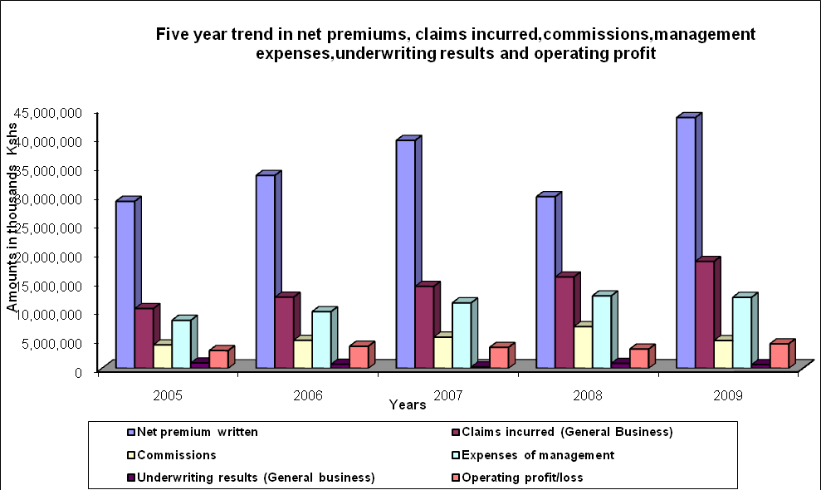
Shareholder's funds Assets Investments Investment income Gross Direct Premium written

Table 17
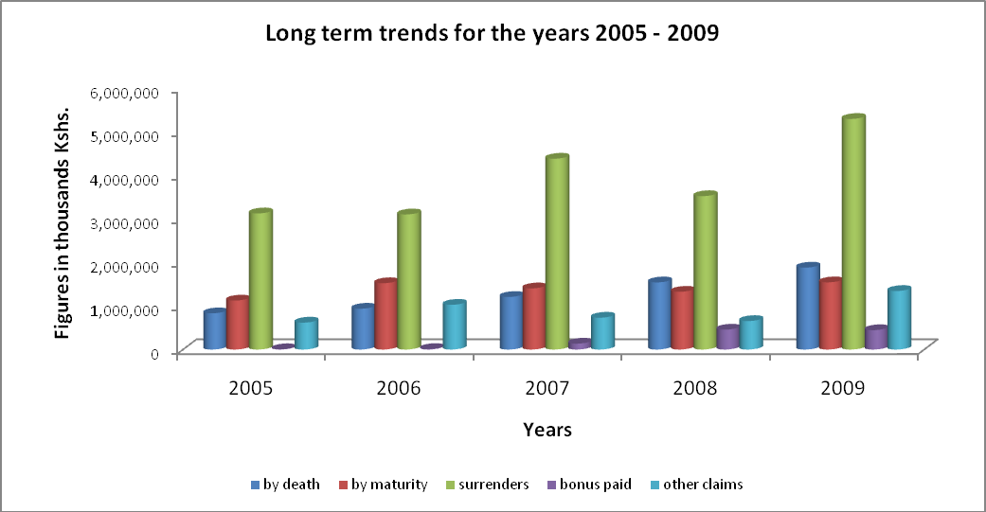
Incurred Claims – General Insurance Business
Class of business | YEARS
 | 2005 | 2006 | 2007 | 2008 | 2009
Aviation | 9,020 | 1,417 | 10,065 | 2,737 | -4,780
Engineering | 86,446 | 98,767 | 81,340 | 147,220 | 184,396
Fire Domestic | 107,195 | 111,847 | 115,465 | 167,815 | 171,407
Fire industrial | 148,535 | 265,889 | 446,366 | 462,920 | 517,239
Liability | 147,613 | 151,475 | 109,400 | 228,390 | 229,877
Marine | 229,775 | 262,774 | 373,134 | 428,137 | 481,942
Motor Private | 3,204,388 | 3,286,171 | 3,565,915 | 4,502,851 | 5,282,589
Motor Commercial | 3,002,312 | 3,634,622 | 4,032,755 | 4,875,612 | 6,317,808
Personal Accident | 1,879,278 | 2,769,091 | 3,232,202 | 3,490,256 | 4,604,216
Theft | 366,789 | 487,050 | 512,778 | 696,488 | 752,651
Workmen's Compensation | 1,090,642 | 1,182,637 | 1,542,377 | 656,465 | 1,002,722
Miscellaneous | 111,830 | 107,821 | 213,608 | 209,437 | 228,254
T O T A L | 10,383,822 | 12,359,561 | 14,235,405 | 15,868,328 | 19,768,322
Figures in thousands Kshs.
Claims incurred by general insurance companies in the year 2009 was Kshs.19.8 billion representing an increase of 24.6% from the year 2008 figures. Motor Commercial class of business accounts for the highest proportion of claims under general insurance business.

